Pa2AndOr
First I want to build a basic 2 parallel element model in both CARMS and FaultTree for comparison of the basic AND and OR calculations

library(CARMS)

Pa2AndOr<- carms.make(title="Parallel Continuous AND_OR", diagram_grid=c(9,13))
Pa2AndOr<-carms.state(Pa2AndOr, prob=1, name="P1w P2w", size=11, h2w=.5, position=c(2,5) )
Pa2AndOr<-carms.state(Pa2AndOr, prob=0, name="P1f P2w", size=11, h2w=.5, position=c(7,2) )
Pa2AndOr<-carms.state(Pa2AndOr, prob=0, name="P1w P2f", size=11, h2w=.5, position=c(7,8) )
Pa2AndOr<-carms.state(Pa2AndOr, prob=0, name="P1f P2f", size=11, h2w=.5, position=c(12,5) )

Pa2AndOr<-carms.base(Pa2AndOr, 2e-5, time_units="hours", base_label="L1") |  |  |  | L1<-2e-5
Pa2AndOr<-carms.base(Pa2AndOr, 5e-5, base_label="L2") |  |  |  | L2<-5e-5
Pa2AndOr<-carms.base(Pa2AndOr, 1/24, base_label="r1") |  |  |  | r1<-1/24
Pa2AndOr<-carms.base(Pa2AndOr, 1/48, base_label="r2") |  |  |  | r2<-1/48

Pa2AndOr<-carms.arrow(Pa2AndOr, from=1, to=2, rate="L1", arc=.25, label="L1") |  |  |  | library(FaultTree)
Pa2AndOr<-carms.arrow(Pa2AndOr, from=2, to=1, rate="r1", arc=.15, label="r1")
Pa2AndOr<-carms.arrow(Pa2AndOr, from=1, to=3, rate="L2", arc=-.25, label="L2") |  |  |  | Parallel<-ftree.make(type="or")
Pa2AndOr<-carms.arrow(Pa2AndOr, from=3, to=1, rate="r2", arc=-.15, label="r2") |  |  |  | Parallel<-addLogic(Parallel, at=1, type="and", name="Warm Standby")
Pa2AndOr<-carms.arrow(Pa2AndOr, from=2, to=4, rate="L2", arc=.25, label="L2") |  |  |  | Parallel<-addActive(Parallel, at=2, mttf=1/L2, mttr=1/r2, name="Primary Unit")
Pa2AndOr<-carms.arrow(Pa2AndOr, from=4, to=2, rate="r2", arc=.15, label="r2") |  |  |  | Parallel<-addActive(Parallel, at=2, mttf=1/L1, mttr=1/r1, name="Warm Unit")
Pa2AndOr<-carms.arrow(Pa2AndOr, from=3, to=4, rate="L1", arc=-.25, label="L1") |  |  |  | Parallel<-addLogic(Parallel, at=1, type="or", name="Both Required")
Pa2AndOr<-carms.arrow(Pa2AndOr, from=4, to=3, rate="r1", arc=-.15, label="r1") |  |  |  | Parallel<-addActive(Parallel, at=5, mttf=1/L2, mttr=1/r2, name="Primary Unit")
 |  |  |  | Parallel<-addActive(Parallel, at=5, mttf=1/L1, mttr=1/r1, name="Warm Unit")
Pa2AndOr<-simulate(Pa2AndOr, solution="bd", mission_time=1000000, intervals=50)
 |  |  |  | Parallel<-ftree.calc(Parallel)
# now extracting the state probabilility results from the object |  |  |  | Parallel[,1:7]
bd_result<-data.frame(t(tail(matP(Pa2AndOr),1))) |  |  |  |  |  |  |  |  |  | Conditional | Probabilitly of |  | Markov Model Results
names(bd_result)<-"Probability" |  |  |  |  | > Parallel[,1:7] |  |  |  |  | Fail Rate | Faillure
 |  |  |  |  |  | ID | GParent | Tag | Type | CFR | PBF |  | State 4
 | > bd_result |  |  |  | 1 | 1 | -1 | top | 10 | 7.01E-05 | 2.87E-03 |  | Intensisty | Probability
 |  | Probability |  |  | 2 | 2 | 1 | G_2 | 11 | 7.17932E-08 | 1.14869E-06 | AND gate | 7.17932E-08 | 1.14869E-06
 | 1 | 9.97127E-01 |  |  | 3 | 3 | 2 | E_3 | 1 | 5.00E-05 | 2.39E-03
 | 2 | 4.78621E-04 |  |  | 4 | 4 | 2 | E_4 | 1 | 2.00E-05 | 4.80E-04 |  | States 2,3&4
 | 3 | 2.39310E-03 |  |  | 5 | 5 | 1 | G_5 | 10 | 7.00000E-05 | 2.87287E-03 | OR gate | 6.99425E-05 | 2.87287E-03
 | 4 | 1.14869E-06 |  |  | 6 | 6 | 5 | E_6 | 1 | 5.00E-05 | 2.39E-03
 |  |  |  |  | 7 | 7 | 5 | E_7 | 1 | 2.00E-05 | 4.80E-04
ModelResult<-Andrews_Tolo.carms(Pa2AndOr)
 | > ModelResult
This comparison of models demonstrates numerical validation of the CARMS calculation as well as the FaultTree calculation.
Further it supports the supposition that "State Intensity" should likely be interpreted as "Conditional Fail Rate"
However, the "State Intensity" reported for State 1 is indeed the "Failure Frequency"
 | State | Probabililty | Intensity
1 | 1 | 9.97127E-01 | 6.97989E-05
2 | 2 | 4.78621E-04 | 1.99665E-05
3 | 3 | 2.39310E-03 | 4.99042E-05
4 | 4 | 1.14869E-06 | 7.17932E-08

Shared Load
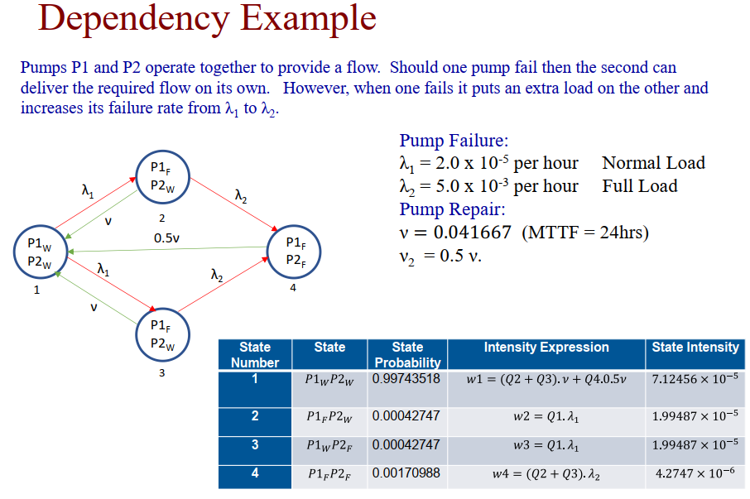

library(CARMS)

Pa2Shared<- carms.make(title="Parallel Continuous AND_OR", diagram_grid=c(9,13))
Pa2Shared<-carms.state(Pa2Shared, prob=1, name="P1w P2w", size=11, h2w=.5, position=c(2,5) )
Pa2Shared<-carms.state(Pa2Shared, prob=0, name="P1f P2w", size=11, h2w=.5, position=c(7,2) )
Pa2Shared<-carms.state(Pa2Shared, prob=0, name="P1w P2f", size=11, h2w=.5, position=c(7,8) )
Pa2Shared<-carms.state(Pa2Shared, prob=0, name="P1f P2f", size=11, h2w=.5, position=c(12,5) )

Pa2Shared<-carms.base(Pa2Shared, 2e-5, time_units="hours", base_label="L1")
Pa2Shared<-carms.base(Pa2Shared, 5e-3, base_label="L2")
Pa2Shared<-carms.base(Pa2Shared, 1/24, base_label="v")

Pa2Shared<-carms.arrow(Pa2Shared, from=1, to=2, rate="L1", arc=.25, label="L1")
Pa2Shared<-carms.arrow(Pa2Shared, from=2, to=1, rate="v", arc=.1, label="v")
Pa2Shared<-carms.arrow(Pa2Shared, from=1, to=3, rate="L1", arc=-.25, label="L1")
Pa2Shared<-carms.arrow(Pa2Shared, from=3, to=1, rate="v", arc=-.1, label="v")
Pa2Shared<-carms.arrow(Pa2Shared, from=2, to=4, rate="L2", arc=.25, label="L2")
Pa2Shared<-carms.arrow(Pa2Shared, from=3, to=4, rate="L2", arc=-.25, label="L2")
Pa2Shared<-carms.arrow(Pa2Shared, from=4, to=1, rate=".5*v", arc=-0, label=".5v")
 | diagram(Pa2Shared)

Pa2Shared<-simulate(Pa2Shared, solution="bd", mission_time=1000000, intervals=50)

# now extracting the state probabilility results from the object |  |  |  |  |  | L1<-2e-5
bd_result<-data.frame(t(tail(matP(Pa2Shared),1))) |  |  |  |  |  | L2<-5e-5
names(bd_result)<-"Probability" |  |  |  |  |  | v<-1/24 | 0.041666666667
 | > bd_result
 |  | Probability |  | as reported |  | should be
 | 1 | 0.9989382713 |  | 0.99743518 |  | 0.9989382713
 | 2 | 0.0004281164 |  | 0.00042747 |  | 0.0004281164
 | 3 | 0.0004281164 |  | 0.00042747 |  | 0.0004281164 |  |  | Parallel Model Results |  | Shared Load Model
For some reason Tolo reported a Probability for State 4 that was nearly an order of magnitude high.
 | 4 | 0.0002054959 |  | 0.0017098 |  | 0.0002054959 |  |  | (FaultTree) |  | (Markov Model)
 |  |  |  |  |  |  |  |  | State 4 |  | State 4
ModelResult<-Andrews_Tolo.carms(Pa2Shared) |  |  |  |  |  |  |  |  | Intensisty | Probability | Intensisty | Probability
 | > ModelResult |  |  |  |  |  |  | AND gate | 7.17932E-08 | 1.14869E-06 | 4.28116E-06 | 2.05496E-04
 | State | Probabililty | Intensity
1 | 1 | 0.9989382713 | 3.99575E-05 | 7.1243E-05 | 1.781125E-05 | 3.99575E-05 | 1.7838183333E-05 |  | States 2,3&4 |  | States 2,3&4
2 | 2 | 0.0004281164 | 1.99788E-05 |  | 1.781125E-05 |  | 1.7838183333E-05 | OR gate | 7.00000E-05 | 2.87287E-03 | 4.42387E-05 | 1.0617E-03
3 | 3 | 0.0004281164 | 1.99788E-05 |  | 3.5620833333E-05 |  | 4.2811645833E-06
Despite the reported probability error for state 4, it is clear that the dependency model really is distinct from what we could model with the fault tree.
This is particularly true for the AND gate. It is hard to ignore a result that is 2 orders of magnitude different.
4 | 4 | 0.0002054959 | 4.28116E-06 |  | 7.1243333333E-05 |  | 3.995753125E-05

Andrews_Tolo
This function examines the CARMS object to produce a numeric result using the base R function solve() for state probability calculaton and the presented form for calculating state intensity values

 | x<-Pa2AndOr

Andrews_Tolo.carms<-function(x) {
 | # need to test that x is a carms object among perhaps other validations
 | if(!is(x,"carms")){
 |  | stop("x argument is not of class carms ")
 | }
 | if(is.null(x$arrows)) stop("no transitions defined in carms object")

 | nstates<- length(x$state)

 | # prepare the transition table
 | tt_mat<-NULL
 | for(ar in 1:x$arrows$narrows) {
 |  | tt_mat<-rbind(tt_mat, x$arrows$arrow[[ar]]$tt_vec)
 | }

 | from<-as.integer(tt_mat[,1])
 | to<-as.integer(tt_mat[,2])
 | rate<-tt_mat[,3]
 | tt<-data.frame(from, to, rate) |  |  | identical(seq(1,nstates),unique(tt$from))

 | unique(tt$from)
 | if(! identical(seq(1,nstates),unique(tt$from))) stop("Not a closed model")

 | Q<-matrix(0, nrow=nstates, ncol=nstates)
 | for( a in 1:nrow(tt)){
 |  | Q[tt$from[a], tt$to[a]]<-tt$rate[a]
 | }

 | diag(Q)<- (-1)*rowSums(Q)

 | StateProbability<-solve(rbind(t(Q)[-1,], rep(1,nstates)), c(rep(0,nstates-1),1))
 | StateIntensity<-NULL
 | for(st in seq(1:nstates) ) {
 |  | intensity<-0
 |  | arows<-which(tt$to==st)
 |  | for(ar in seq(1:length(arows)) ) {
 |  |  | intensity<-intensity+(StateProbability[tt$from[arows[ar]]]) * tt$rate[arows[ar]]
 |  | }
 |  | StateIntensity<-c(StateIntensity, intensity)
 | }

 | StateIntensity

 | ModelResult<-data.frame(State=seq(1,4), Probabililty=StateProbability, Intensity=StateIntensity)

 | ModelResult
}

